Sheet1
DATE | DESCRIPTION | QTY | BILLS | PRICE | SUBTOTAL | TOTAL
1-Dec-2025 | DISHY 5L DISH WASHING | 5 | 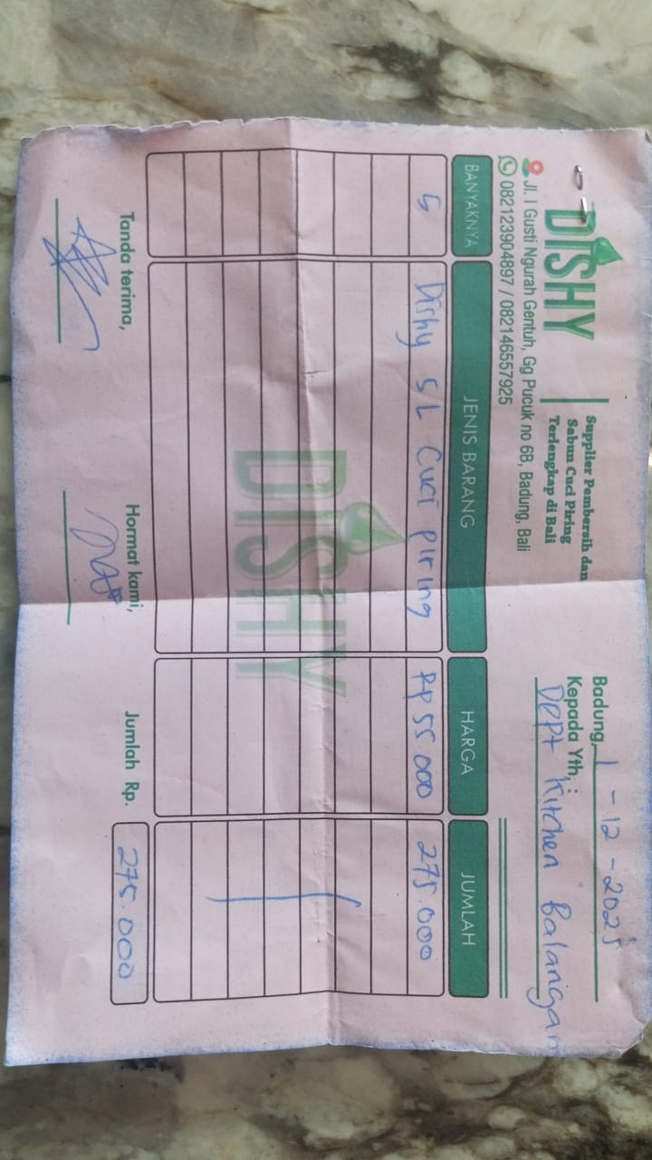 | Rp55,000 | Rp275,000 | Rp275,000
12-Dec-2025 | DISHWASH DISHY 5L | 5 | 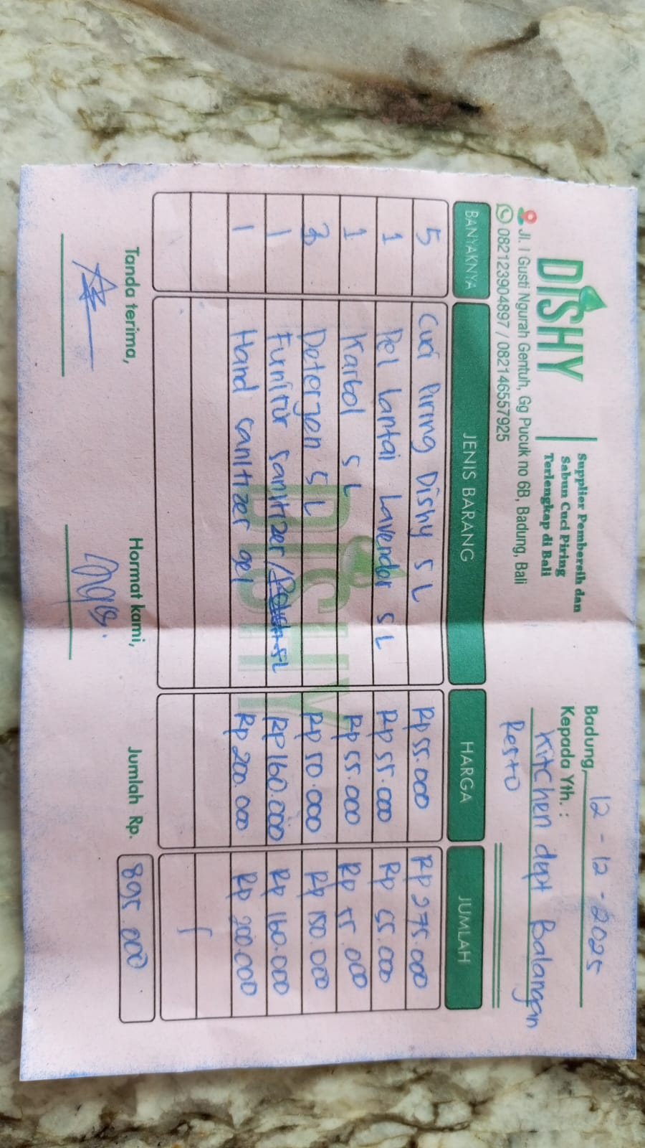 | 55000 | Rp275,000 | Rp895,000
 | FLOOR MOP LAVENDER 5L | 1 |  | 55000 | Rp55,000
 | KARBOL 5L | 1 |  | 55000 | Rp55,000
 | DETERGENT 5L | 3 |  | 50000 | Rp150,000
 | FURNITURE SANITIZER 5L | 1 |  | 160000 | Rp160,000
 | HAND SANITIZER GEL | 1 |  | 200000 | Rp200,000
27-Dec-2026 | DISHY 5L DISH WASHING | 5 |  | 55000 | Rp275,000 | Rp385,000
 | FLOOR MOP LAVENDER 5L | 2 |  | 55000 | Rp110,000
GRAND TOTAL |  |  |  | Rp1,555,000 |  |  | KITCHEN | Rp1,555,000
 |  |  |  |  |  |  |  |  | COMBINED TOTAL | Rp2,855,000
DATE | DESCRIPTION | QTY | BILLS | PRICE | SUBTOTAL | TOTAL | FLOOR | Rp1,300,000
1-Dec-2025 | DISHY VANILA 5L | 1 | 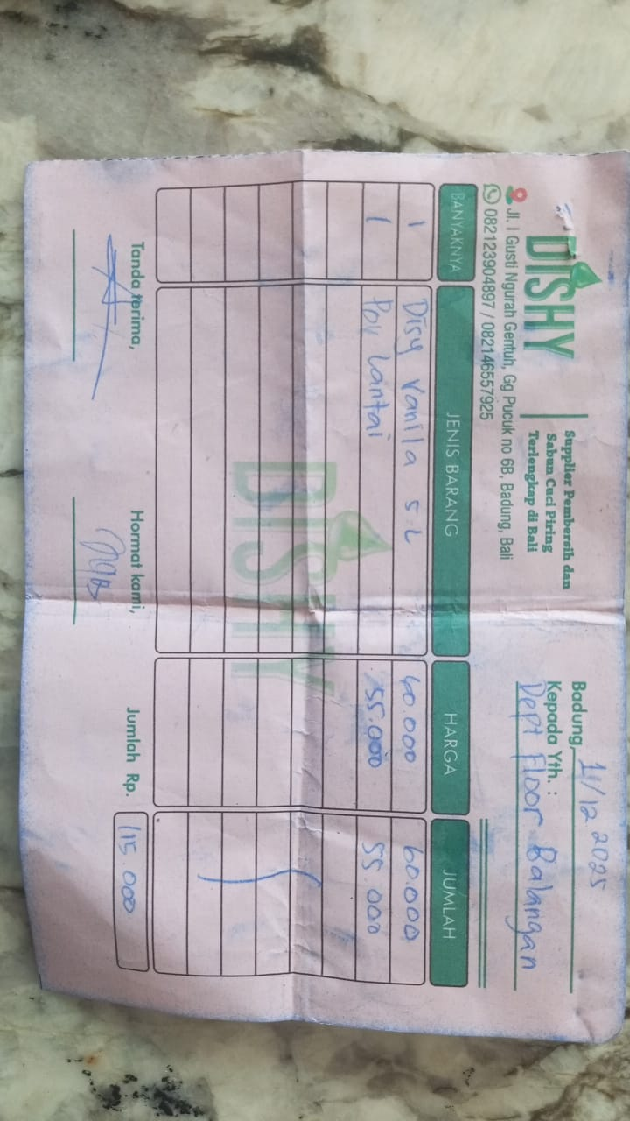 | Rp60,000 | Rp60,000 | Rp115,000
 | FLOOR CLEANER | 1 |  | Rp55,000 | Rp55,000
12-Dec-2025 | FLOOR CLEANER 5L | 3 | 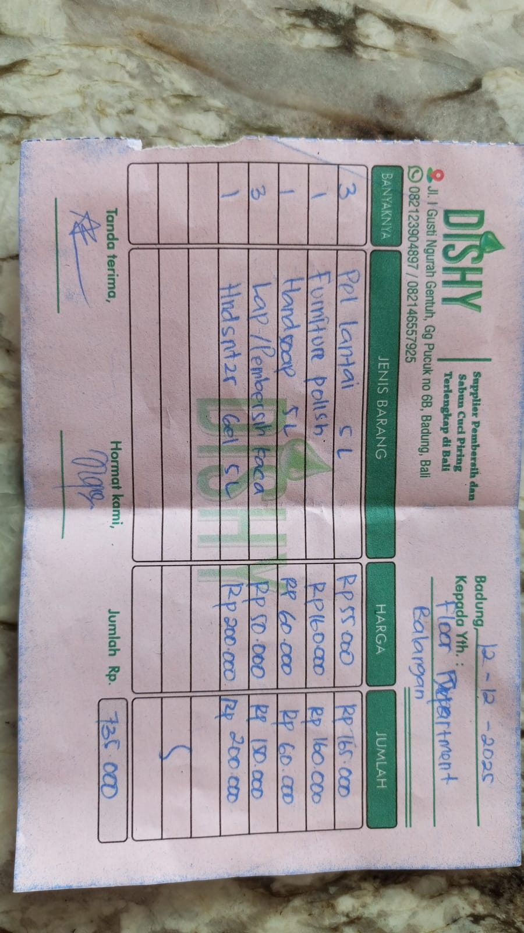 | Rp55,000 | Rp165,000 | Rp735,000
 | FURNITURE POLISH | 1 |  | Rp160,000 | Rp160,000
 | HANDSOAP 5L | 1 |  | Rp60,000 | Rp60,000
 | GLASS CLEANER | 3 |  | Rp50,000 | Rp150,000
 | HANDSANITIZER GEL 5L | 1 |  | Rp200,000 | Rp200,000
22-Dec-2025 | CERAMIC CLEANER | 3 | 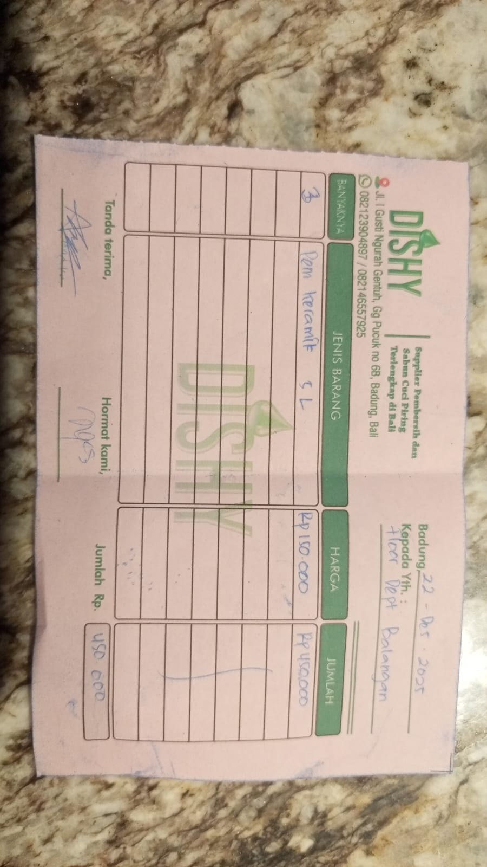 | Rp150,000 | Rp450,000 | Rp450,000
GRAND TOTAL |  |  |  | Rp1,300,000

